AGGR_SR7s
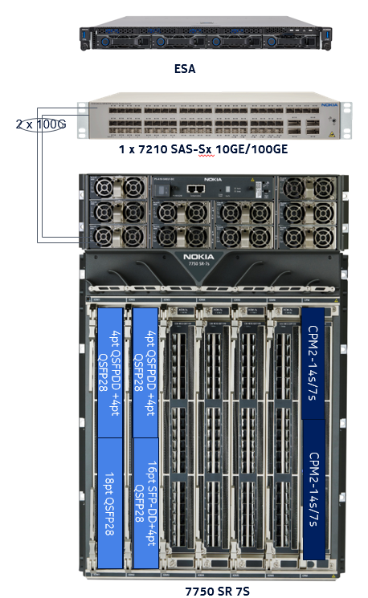
PN | Du Item Code | Description | Price | Qty | Total Price
AGGv1 Bundle | 3013258069 | Nokia SR-7s - AGG v1 Bundle including: (1) 3HE16196AA BNDL 7750 SR-7s CPM2-7s CNTL RED DC PWR (1) 3HE12328AA ACC - SR-7s/14s PWR SHELF ACC KIT LVDC (1) 3HE12460AA ACC - 7750 SR-7s AIR FILTER DOOR KIT (3) 3HE12378AA ACC - 7750 SR-7s XCM IMPEDANCE PNL (2) 3HE11305AA XCM - 7750 SR-s XCM-7s (2) 3HE14027BA IOM-s - SR-s IOM-s 3.0T - ER | $100,000.00 | 4 | $400,000.00
AGGv1 400G Bundle | 3073693538 | AGG 400G MDA-s bundle including: (1) 3HE12515AA MDA-s – SR-s 4-pt QSFP-DD + 4-pt QSFP28 (4) 3HE15212AA QSFP56-DD - 400G LR8 10Km 0/70C - each with 3HE00400PP - RTU License for 400G port (2) 3HE10550AA QSFP28 - 100GBASE-LR4 ROHS6/6 0/70C - each with 3HE00100PP - RTU License for 100G port | $44,000.00 | 8 | $352,000.00
3HE12511AA | 3070977509 | MDA-s - SR-s 18-pt QSFP28 | $17,250.00 | 4 | $69,000.00
3HE12513AA | 3086323707 | MDA-s - 16pt SFP-DD MACsec + 4pt QSFP28 | $16,750.00 | 4 | $67,000.00
ESA Bundle | 3071025782 | AGG ESA Bundle for Ipsec including: (1) 3HE15841AA ESA - 7750 SR ESA 100G DC (2) 3HE10551AA QSFP28 - 100GBASE-SR4 ROHS6/6 0/70C - each with 3HE00100PP - RTU License for 100G port | $13,860.00 | 4 | $55,440.00
7210 SAS-Sx Bundle | 3079112026 | 7210 SAS-Sx 10/100G Bundle including: (1) 3HE11597AA SYS - 7210 SAS-Sx 64SFP+ 4QSFP28 (2) 3HE10499AA PS - 7210 SAS-Sx Power Supply DC -48V (F) (4) 3HE10551AA QSFP28 - 100GBASE-SR4 ROHS6/6 0/70C - each with 3HE00100PP - RTU License for 100G port (45) 3HE09327AA SFP+ 10GE LR - LC ROHS6/6-40/85C - each with 3HE00010PP - RTU License for 10G port (13) 3HE09328AA SFP+ 10GE ER - LC ROHS6/6-40/85C - each with 3HE00010PP - RTU License for 10G port (6) 3HE09329AA SFP+ 10GE ZR - LC ROHS6/6 -40/85C - each with 3HE00010PP - RTU License for 10G port | $18,000.00 | 4 | $72,000.00
3HE16254NSP | 3050242300 | NSP LP bundle including: (1) 3HE16254AA NSP LICENCE POINT (1) 3HE16255AA NSP HIGH AVAILABILITY FP (1) 3HE16001AA NSP CLASSIC MANAGEMENT FP (1) 3HE16003AA NSP NETWORK INFRASTRUCTURE MANAGEMENT FP (1) 3HE16005AA NSP SERVICE ASSURANCE FP (1) 3HE16011AA NSP WORKFLOW AUTOMATION ENGINE FP | $28.00 | 5756 | $161,168.00
3HE15809AA | 3073795830 | SR - OS - ZTP 7750/7950 R20.x LICENSE | $1,000.00 | 4 | $4,000.00
3HE11471CA | 3095328969 | OS-7210 SAS-Sx 10/100 Base Lic Sat R11.0 | $40.00 | 4 | $160.00
3HE06490AA | 3066930622 | RTU - SROS ESM - 64K SUB-HOSTS | $- | 4 | $-
3BK08959BA | 3014904444 | Power Cable 1x35 Black (15 meters per site) | $5.81 | 40 | $232.47
3BK08958BA | 3083057969 | Power Cable 1x35 Blue (15 meters per site) | $5.81 | 40 | $232.47
1AB377380006 | 3066834014 | Optical Fiber cables (10m) | $4.72 | 816 | $3,851.52
3HE16016AA | 3073697614 | NSP IP CONTROL CLASS 1 NODE | $450.00 | 4 | $1,800.00
Aggregation_PE v2 Installation & Commissioning | 3079928711 | Nokia-Agg-New-PE_v2-HW installation incl. Project Management teams, Rollout team, Warehouse rental, site survey, installation, commissioning, Integration, ATP, IPSec Integration and Decommissioning services | $6,000.00 | 4 | $24,000.00
SWAP Aggregation (Replacement/Upgrade) Migration (Port by Port) | 3043338532 | Nokia AGG- SWAP-Port by Port Migration incl. Automated Migration execution, testing and acceptance services | $50,000.00 | 4 | $200,000.00
3HE14310AA |  | UPG - IOM-s 3.0T ER to 3.0T HE | FOC | 8 | FOC
TOTAL |  |  |  |  | $1,410,884.46

SR7B SCSG Upgrade
PN | Du Item Code | Description | Price | Qty | Total Price | Node List | Site Name | Shelf Type | Operational State | Part Numbe | Shelf Class | Software Version
3HE15808AA | 3011201891 | SR - OS - 7450/7750/7950 R20.x LICENSE | $1,000.00 | 7 | $7,000.00 | DXB-3122-SCSG-SR7B-1 | DXB-3122-SCSG-SR7B-1 | 64-Port 10-Gig SFPP Ethernet Satellite with 4 100-Gig QSFP28 up-links | Up | 3HE11597AA | Ethernet Satellite | TiMOS-B-10.0.R12
3HE11471CA | 3095328969 | OS-7210 SAS-Sx 10/100 Base Lic Sat R11.0 | $40.00 | 20 | $800.00 | DXB-3173-SCSG-SR7B-1 | DXB-3122-SCSG-SR7B-1 | 64-Port 10-Gig SFPP Ethernet Satellite with 4 100-Gig QSFP28 up-links | Up | 3HE11597AA | Ethernet Satellite | TiMOS-B-10.0.R12
Nokia-OS-Upgrade-PAGG/SCSG-Service | 3099044561 | Upgrade the PAGG node from N Release to N+1 Release | $774.40 | 7 | $5,420.80 | DXB-1003-SCSG-SR7B-1 | DXB-3122-SCSG-SR7B-1 | 4-Port Channelized STM1 Satellite | Up | 3HE10328AA | TDM Satellite | TiMOS-B-9.0.R3
TOTAL |  |  |  |  | $13,220.80 | DXB-3252-SCSG-SR7B-1 | DXB-3173-SCSG-SR7B-1 | 64-Port 10-Gig SFPP Ethernet Satellite with 4 100-Gig QSFP28 up-links | Up | 3HE11597AA | Ethernet Satellite | TiMOS-B-10.0.R12
 |  |  |  |  |  | DXB-1516-SCSG-SR7B-1 | DXB-3173-SCSG-SR7B-1 | 64-Port 10-Gig SFPP Ethernet Satellite with 4 100-Gig QSFP28 up-links | Up | 3HE11597AA | Ethernet Satellite | TiMOS-B-10.0.R12
 |  |  |  |  |  | DXB-3129-SCSG-SR7B-1 | DXB-3173-SCSG-SR7B-1 | 4-Port Channelized STM1 Satellite | Up | 3HE10328AA | TDM Satellite | TiMOS-B-9.0.R3
 |  |  |  |  |  | DXB-3159-SCSG-SR7B-1 | DXB-1003-SCSG-SR7B-1 | 64-Port 10-Gig SFPP Ethernet Satellite with 4 100-Gig QSFP28 up-links | Up | 3HE11597AA | Ethernet Satellite | TiMOS-B-10.0.R12
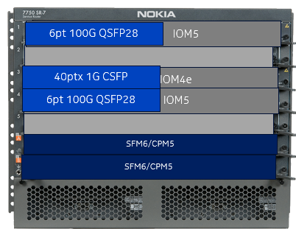
 |  |  |  |  |  |  | DXB-1003-SCSG-SR7B-1 | 48-Port 1-Gig Ethernet SFP Satellite | Up | 3HE10492AA | Ethernet Satellite | TiMOS-B-10.0.R12
 |  |  |  |  |  |  | DXB-1003-SCSG-SR7B-1 | 64-Port 10-Gig SFPP Ethernet Satellite with 4 100-Gig QSFP28 up-links | Up | 3HE11597AA | Ethernet Satellite | TiMOS-B-10.0.R12
 |  |  |  |  |  |  | DXB-3252-SCSG-SR7B-1 | 64-Port 10-Gig SFPP Ethernet Satellite with 4 100-Gig QSFP28 up-links | Up | 3HE11597AA | Ethernet Satellite | TiMOS-B-10.0.R12
 |  |  |  |  |  |  | DXB-3252-SCSG-SR7B-1 | 4-Port Channelized STM1 Satellite | Up | 3HE10328AA | TDM Satellite | TiMOS-B-9.0.R3
 |  |  |  |  |  |  | DXB-1516-SCSG-SR7B-1 | 64-Port 10-Gig SFPP Ethernet Satellite with 4 100-Gig QSFP28 up-links | Up | 3HE11597AA | Ethernet Satellite | TiMOS-B-10.0.R12
 |  |  |  |  |  |  | DXB-1516-SCSG-SR7B-1 | 64-Port 10-Gig SFPP Ethernet Satellite with 4 100-Gig QSFP28 up-links | Up | 3HE11597AA | Ethernet Satellite | TiMOS-B-10.0.R12
 |  |  |  |  |  |  | DXB-1516-SCSG-SR7B-1 | 64-Port 10-Gig SFPP Ethernet Satellite with 4 100-Gig QSFP28 up-links | Up | 3HE11597AA | Ethernet Satellite | TiMOS-B-10.0.R12
 |  |  |  |  |  |  | DXB-3129-SCSG-SR7B-1 | 64-Port 10-Gig SFPP Ethernet Satellite with 4 100-Gig QSFP28 up-links | Up | 3HE11597AA | Ethernet Satellite | TiMOS-B-10.0.R12
 |  |  |  |  |  |  | DXB-3129-SCSG-SR7B-1 | 64-Port 10-Gig SFPP Ethernet Satellite with 4 100-Gig QSFP28 up-links | Up | 3HE11597AA | Ethernet Satellite | TiMOS-B-10.0.R12
 |  |  |  |  |  |  | DXB-3129-SCSG-SR7B-1 | 4-Port Channelized STM1 Satellite | Up | 3HE10328AA | TDM Satellite | TiMOS-B-9.0.R3
 |  |  |  |  |  |  | DXB-3159-SCSG-SR7B-1 | 64-Port 10-Gig SFPP Ethernet Satellite with 4 100-Gig QSFP28 up-links | Up | 3HE11597AA | Ethernet Satellite | TiMOS-B-10.0.R12
3HE10492AA 48port 1G Satellite is connected to DXB-1003 |  |  |  |  |  |  | DXB-3159-SCSG-SR7B-1 | 64-Port 10-Gig SFPP Ethernet Satellite with 4 100-Gig QSFP28 up-links | Up | 3HE11597AA | Ethernet Satellite | TiMOS-B-10.0.R12
 |  |  |  |  |  |  | DXB-3159-SCSG-SR7B-1 | 4-Port Channelized STM1 Satellite | Up | 3HE10328AA | TDM Satellite | TiMOS-B-9.0.R3

